Skillsworkshop
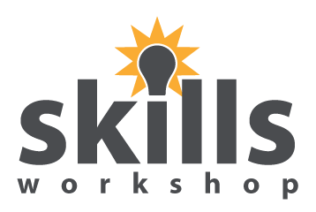
Odd & Even Picture Reveal activity
November 2017 Kindly contributed by Marc Stewart, Peterborough Regional College.
Search for Marc on www.skillworkshop.org
For related resources and teaching ideas visit the download page for this resource on skillsworkshop
Entry Level 2 - 3 Functional Maths

